Bug report 1
Bug name: | Old password treated as new password upon password change
Description: | It is possible to change the password to the same password using the "Lozinka zaboravljena?" option
Steps to reproduce: | Open Mozilla Firefox Developer Edition, version 85.0b4 (64-bit)
 | Enter the following URL and press enter: https://www.kupujemprodajem.com/
 | Click on the "Ulogujte se" button at the top left side of the page
 | Click on the "Lozinka zaboravljena" at the bottom of the form
 | Enter an email address already associated with the KP account (such as micmladento+test@gmail.com) and press "Dalje"
 | Check the email associated with the KP account and click on the link in the email received (valid for 24h)
 | Enter the old password in the first field
 | Enter the old password again, in the second field
 | Press enter
Expected result: | The user is asked to enter a password different from the previous one
Actual result: | Successful password change
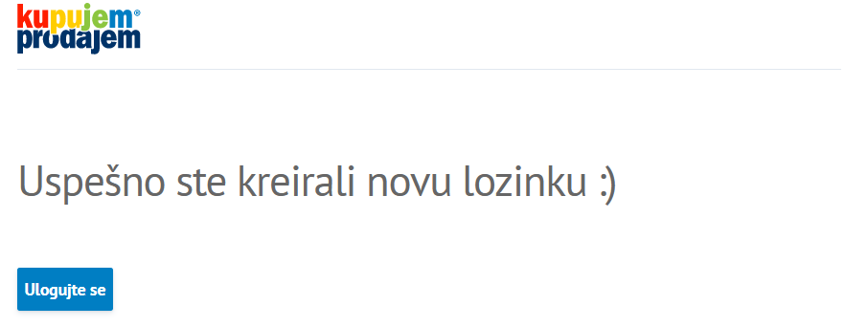
Screenshot:

